Daily Data
...
Gross Saving | Charged to 5.12 % | % did not drop below | KWh Charged | Cheap Charge Saved | Summative Saving | Notes
£1.41 | 43 | 22 | 1.0752 | £0.36 | £1.77 |  | Saving Solar Only | £698.66 | Total PV Generation | 2744.7
£2.30 | 0 | 22 | 0 | £0.00 | £2.30 |  | Saving Battery Only | £1,094.51 | Highest Day | 29.2
£1.15 | 0 | 22 | 0 | £0.00 | £1.15 |  | Total Saving | £1,793.17
£2.25 | 95 | 22 | 3.7376 | £1.23 | £3.49 |  | Remaining payback | £10,206.83
£3.45 | 35 | 22 | 0.6656 | £0.22 | £3.67
£2.74 | 85 | 22 | 3.2256 | £1.07 | £3.81
£2.03 | 69 | 22 | 2.4064 | £0.79 | £2.83
£1.11 | 96 | 22 | 3.7888 | £1.25 | £2.36
-£0.22 | 98 | 22 | 3.8912 | £1.29 | £1.06
£0.80 | 98 | 22 | 3.8912 | £1.29 | £2.08
Daily Generation
10/11/2022 | 7.6
10/12/2022 | 5
10/13/2022 | 7.8
10/14/2022 | 6.4
10/15/2022 | 7.7
10/16/2022 | 10
10/17/2022 | 9.2
10/18/2022 | 10.2
10/19/2022 | 6
10/20/2022 | 1.1
10/21/2022 | 3.7
10/22/2022 | 7
10/23/2022 | 4.1
10/24/2022 | 5.2
10/25/2022 | 6.6
10/26/2022 | 7.3
10/27/2022 | 4.2
10/28/2022 | 6.1
10/29/2022 | 3.8
10/30/2022 | 4.3
10/31/2022 | 4.5
11/1/2022 | 3.9
11/2/2022 | 3.9
11/3/2022 | 4.2
11/4/2022 | 6.7
11/5/2022 | 1.5
11/6/2022 | 1.8
11/7/2022 | 2
11/8/2022 | 4.7
11/9/2022 | 5.2
11/10/2022 | 2.2
11/11/2022 | 3.1
11/12/2022 | 3.6
11/13/2022 | 1.7
11/14/2022 | 0.9
11/15/2022 | 1.1
11/16/2022 | 3.2
11/17/2022 | 0.7
11/18/2022 | 2.8
11/19/2022 | 3.4
11/20/2022 | 3.1
11/21/2022 | 0.6
11/22/2022 | 2.2
11/23/2022 | 3
11/24/2022 | 2.1
11/25/2022 | 4.4
11/26/2022 | 2
11/27/2022 | 2.3
...
£0.88 | 98 | 22 | 3.8912 | £1.29 | £2.17
£0.97 | 98 | 22 | 3.8912 | £1.29 | £2.26
£1.24 | 91 | 22 | 3.5328 | £1.17 | £2.40
£1.72 | 66 | 22 | 2.2528 | £0.74 | £2.47
£2.21 | 50 | 22 | 1.4336 | £0.47 | £2.68
£1.15 | 98 | 22 | 3.8912 | £1.29 | £2.43
£1.77 | 64 | 22 | 2.1504 | £0.71 | £2.48
£0.80 | 98 | 22 | 3.8912 | £1.29 | £2.08
£1.19 | 66 | 22 | 2.2528 | £0.74 | £1.94
£0.97 | 94 | 22 | 3.6864 | £1.22 | £2.19
£0.84 | 98 | 22 | 3.8912 | £1.29 | £2.13
£0.88 | 90 | 22 | 3.4816 | £1.15 | £2.03
£1.02 | 90 | 22 | 3.4816 | £1.15 | £2.17
£1.90 | 51 | 22 | 1.4848 | £0.49 | £2.39
-£0.22 | 98 | 22 | 3.8912 | £1.29 | £1.06
 | Generated | Load
10/11/2022 | 7.6 | 19.5
10/12/2022 | 5 | 21.9
10/13/2022 | 7.8 | 18
10/14/2022 | 6.4 | 14.7
10/15/2022 | 7.7 | 18.7
10/16/2022 | 10 | 17.1
10/17/2022 | 9.2 | 19.2
10/18/2022 | 10.2 | 15.8
10/19/2022 | 6 | 15.6
10/20/2022 | 1.1 | 17.8
10/21/2022 | 3.7 | 24.4
10/22/2022 | 7 | 15.5
10/23/2022 | 4.1 | 23.4
10/24/2022 | 5.2 | 21
10/25/2022 | 6.6 | 14.8
10/26/2022 | 7.3 | 18
10/27/2022 | 4.2 | 18.4
10/28/2022 | 6.1 | 18.8
10/29/2022 | 3.8 | 19.1
10/30/2022 | 4.3 | 18.8
10/31/2022 | 4.5 | 18.9
11/1/2022 | 3.9 | 16.6
11/2/2022 | 3.9 | 18
11/3/2022 | 4.2 | 16.6
11/4/2022 | 6.7 | 18
11/5/2022 | 1.5 | 41.8
11/6/2022 | 1.8 | 15.7
11/7/2022 | 2 | 62.7
11/8/2022 | 4.7 | 13.1
11/9/2022 | 5.2 | 17
11/10/2022 | 2.2 | 41.1
11/11/2022 | 3.1 | 37.4
11/12/2022 | 3.6 | 17.6
11/13/2022 | 1.7 | 21.2
11/14/2022 | 0.9 | 66.3
11/15/2022 | 1.1 | 20.2
11/16/2022 | 3.2 | 24.9
11/17/2022 | 0.7 | 38.6
11/18/2022 | 2.8 | 50.8
11/19/2022 | 3.4 | 19.1
11/20/2022 | 3.1 | 20.2
11/21/2022 | 0.6 | 13.5
11/22/2022 | 2.2 | 21.6
11/23/2022 | 3 | 17.3
11/24/2022 | 2.1 | 45.3
11/25/2022 | 4.4 | 47.3
11/26/2022 | 2 | 24.9
11/27/2022 | 2.3 | 22.7
...
£0.04 | 98 | 22 | 3.8912 | £1.29 | £1.33
-£0.04 | 80 | 22 | 2.9696 | £0.98 | £0.94
£1.06 | 98 | 22 | 3.8912 | £1.29 | £2.35
£1.37 | 84 | 22 | 3.1744 | £1.05 | £2.42
£0.22 | 98 | 22 | 3.8912 | £1.29 | £1.51
£0.53 | 98 | 22 | 3.8912 | £1.29 | £1.82
£0.66 | 80 | 22 | 2.9696 | £0.98 | £1.64
£0.18 | 98 | 22 | 3.8912 | £1.29 | £1.46
-£0.49 | 98 | 22 | 3.8912 | £1.29 | £0.80
-£0.31 | 98 | 22 | 3.8912 | £1.29 | £0.98
 | 98 | 22 | 3.8912 | £1.29 | £2.48

 |  |  |  |  |  | Second Battery Installed
 | 98 | 22 | 7.7824 | £2.57 | £2.04
 | 98 | 22 | 7.7824 | £2.57 | £2.70
 | 98 | 22 | 7.7824 | £2.57 | £2.79
 | 98 | 22 | 7.7824 | £2.57 | £2.88
 | 98 | 22 | 7.7824 | £2.57 | £1.64
 | 98 | 22 | 7.7824 | £2.57 | £1.55
 | 98 | 22 | 7.7824 | £2.57 | £3.81
 | 98 | 22 | 7.7824 | £2.57 | £2.22
 | 98 | 22 | 7.7824 | £2.57 | £3.10
 | 98 | 22 | 7.7824 | £2.57 | £2.22
 | 98 | 22 | 7.7824 | £2.57 | £1.94
 | 98 | 22 | 7.7824 | £2.57 | £2.70
 | 98 | 22 | 7.7824 | £2.57 | £1.91
...

Weather
 |  | Next time: |  |  |  |  | Key
 | Equivalent Battery Exported % | Leave enough space in battery (KWh) | Charge to % of 5.12 Battery | Charge to % of 10.24 Battery | Lost coin |  | Edit me | Do not Change
 | 0 | 0.2048 | 96 | 98 | £1.09 |  | Label | Features
 | 9.765625 | 0.756 | 85.234375 | 92.6171875 | £0.05
For the data:
https://visualcrossing.com/weather/weather-data-services
 | 0 | 2.4576 | 52 | 76 | £0.35
 | 15.625 | 1.568 | 69.375 | 84.6875 | £0.08
 | 64.453125 | 4.8872 | 4.546875 | 52.2734375 | £0.33
1.5 | 29.296875 | 1.7048 | 66.703125 | 83.3515625 | £0.15
0 | 0 | 0 | 100 | 100 | £0.00
0 | 0 | 0 | 100 | 100 | £0.00
2.6 | 50.78125 | 2.7024 | 47.21875 | 73.609375 | £0.26
0 | 0 | 0 | 100 | 100 | £0.00
0 | 0 | 0.3072 | 94 | 97 | £0.06
0.8 | 15.625 | 2.5408 | 50.375 | 75.1875 | £0.08
0 | 0 | 1.8432 | 64 | 82 | £0.29
0 | 0 | 0 | 100 | 100 | £0.00
0 | 0 | 1.536 | 70 | 85 | £0.12
In 'Battery peaked at column':
Write 0 if no third peak on graph was seen (i.e a peak in sunlight hours)
If a peak was seen write that peak %.
Write 100 if battery ran out of capacity due to solar generation.
0 | 0 | 0 | 100 | 100 | £0.00
0 | 0 | 0 | 100 | 100 | £2.05
0 | 0 | 0 | 100 | 100 | £2.05
0 | 0 | 0 | 100 | 100 | £0.00
0 | 0 | 0.1024 | 98 | 99 | £0.16
0 | 0 | 0 | 100 | 100 | £0.25
0.5 | 9.765625 | 3.0088 | 41.234375 | 70.6171875 | £0.05
0 | 0 | 0 | 100 | 100 | £0.00
0 | 0 | 0 | 100 | 100 | £0.00
0 | 0 | 0 | 100 | 100 | £2.05
0.7 | 13.671875 | 0.8024 | 84.328125 | 92.1640625 | £0.07
0 | 0 | 0.7168 | 86 | 93 | £0.04
0 | 0 | 0 | 100 | 100 | £0.00
0 | 0 | 0 | 100 | 100 | £0.00
0 | 0 | 0 | 100 | 100 | £2.05
0 | 0 | 0 | 100 | 100 | £0.00
0 | 0 | 0 | 100 | 100 | £0.00
0 | 0 | 0 | 100 | 100 | £0.00
0 | 0 | 0 | 100 | 100 | £0.00
Exported KWh | Equivalent Battery Exported % | Leave enough space in battery (KWh) | Charge to % of 5.12 Battery | Charge to % of 10.24 Battery | Lost coin | Battery Changed to 10.24
0 | 0 | 0 | 200 | 100 | £0.00
0 | 0 | 0 | 200 | 100 | £0.00
...

Annual Estimate
...
 |  |  |  |  | 2021 Consume | Average Consume | Shortfall | Excess | Daily Shortfall | Leave this KWh spare in battery | Intermediate calc | If 10.4KWh Battery charge to %
 |  |  |  |  | 850 | 830 | 357.413 | 0 | 11.913766667 | 7.875 | 14 | 20
 |  |  |  |  | 710 | 775 | 244.48 | 0 | 7.8864516129 | 8.555 | 8 | 20
 |  |  |  |  | 505 | 462.5 | 0 | 47.99 | 0 | 8.51 | 8 | 20
Jul | 17.07 | 529.32 | 55.83 | 410 | 515 | 462.5 | 0 | 66.82 | 0 | 8.535 | 8 | 20
Aug | 15.38 | 476.91 | 35.12 | 410 | 590 | 500 | 23.09 | 0 | 0.74483870968 | 7.69 | 16 | 20
Sep | 13.08 | 392.26 | 28.8 | 610 | 630 | 620 | 227.74 | 0 | 7.3464516129 | 6.54 | 27 | 27
Oct | 8.46 | 262.2 | 32.55 | 840 | 650 | 745 | 482.8 | 0 | 15.574193548 | 4.23 | 49 | 49
Nov | 5.97 | 179.05 | 35.74 | 860 | 830 | 845 | 665.95 | 0 | 21.482258065 | 2.985 | 61 | 61
Dec | 4.53 | 140.44 | 22.71 | 890 | 920 | 905 | 764.56 | 0 | 24.663225806 | 2.265 | 68 | 68

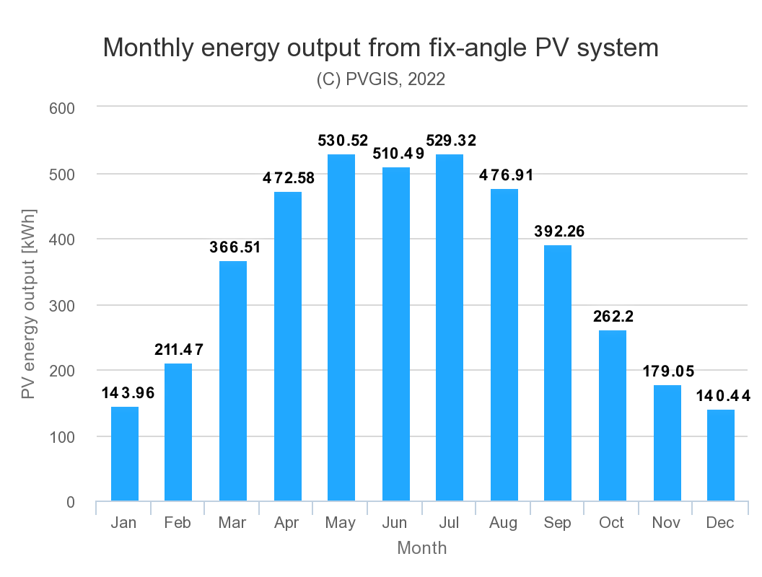
Average | 11.55 | 351.31 | 11.32

Estimate that the battery only needs a buffer of half of the day's generation - the rest can use to charge at night - but only charge at night when there is a shortfall.

Appliance Calc
 | Washing Machine | L1 Cottons
 | Hours | Wattage | kWh | Price
Basal Load | 1.9333333333 | 800 | 1.5466666667 | £0.62
KWh difference since start |  |  | 2.5 | £1.00
Data from 'operation data' section of sunsynk datalogger app. Do difference between gridbuyKWh at end of appliance run, and the gridbuyKWh at the start. Then take off the basal load of 400W to work out accurate value
Actual |  |  | 0.95333333333 | £0.38

 | Washing Machine | Daily 59 40degs
 | Hours | Wattage | kWh | Price
Basal Load | 0.98333333333 | 800 | 0.78666666667 | £0.31
KWh difference since start |  |  | 1.3 | £0.52
Actual |  |  | 0.51333333333 | £0.21

 | Washing Machine | L3 Cottons
 | Hours | Wattage | kWh | Price
Basal Load | 3.35 | 400 | 1.34 | £0.54
KWh difference since start |  |  | 2.3 | £0.92
Actual |  |  | 0.96 | £0.38

 | Washing Machine | Whites L1 40
 | Hours | Wattage | kWh | Price
Basal Load | 1.6 | 400 | 0.64 | £0.26
...

Graphs
Daily Generation
10/11/2022 | 7.6
10/12/2022 | 5
10/13/2022 | 7.8
10/14/2022 | 6.4
10/15/2022 | 7.7
10/16/2022 | 10
10/17/2022 | 9.2
10/18/2022 | 10.2
10/19/2022 | 6
10/20/2022 | 1.1
10/21/2022 | 3.7
10/22/2022 | 7
10/23/2022 | 4.1
10/24/2022 | 5.2
10/25/2022 | 6.6
10/26/2022 | 7.3
10/27/2022 | 4.2
10/28/2022 | 6.1
10/29/2022 | 3.8
10/30/2022 | 4.3
10/31/2022 | 4.5
11/1/2022 | 3.9
11/2/2022 | 3.9
11/3/2022 | 4.2
11/4/2022 | 6.7
11/5/2022 | 1.5
11/6/2022 | 1.8
11/7/2022 | 2
11/8/2022 | 4.7
11/9/2022 | 5.2
11/10/2022 | 2.2
11/11/2022 | 3.1
11/12/2022 | 3.6
11/13/2022 | 1.7
11/14/2022 | 0.9
11/15/2022 | 1.1
11/16/2022 | 3.2
11/17/2022 | 0.7
11/18/2022 | 2.8
11/19/2022 | 3.4
11/20/2022 | 3.1
11/21/2022 | 0.6
11/22/2022 | 2.2
11/23/2022 | 3
11/24/2022 | 2.1
11/25/2022 | 4.4
11/26/2022 | 2
11/27/2022 | 2.3
...

Proportion Generation to Load
 | Load | Generated
10/11/2022 | 19.5 | 7.6
10/12/2022 | 21.9 | 5
10/13/2022 | 18 | 7.8
10/14/2022 | 14.7 | 6.4
10/15/2022 | 18.7 | 7.7
10/16/2022 | 17.1 | 10
10/17/2022 | 19.2 | 9.2
10/18/2022 | 15.8 | 10.2
10/19/2022 | 15.6 | 6
10/20/2022 | 17.8 | 1.1
10/21/2022 | 24.4 | 3.7
10/22/2022 | 15.5 | 7
10/23/2022 | 23.4 | 4.1
10/24/2022 | 21 | 5.2
10/25/2022 | 14.8 | 6.6
10/26/2022 | 18 | 7.3
10/27/2022 | 18.4 | 4.2
10/28/2022 | 18.8 | 6.1
10/29/2022 | 19.1 | 3.8
10/30/2022 | 18.8 | 4.3
10/31/2022 | 18.9 | 4.5
11/1/2022 | 16.6 | 3.9
11/2/2022 | 18 | 3.9
11/3/2022 | 16.6 | 4.2
11/4/2022 | 18 | 6.7
11/5/2022 | 41.8 | 1.5
11/6/2022 | 15.7 | 1.8
11/7/2022 | 62.7 | 2
11/8/2022 | 13.1 | 4.7
11/9/2022 | 17 | 5.2
11/10/2022 | 41.1 | 2.2
11/11/2022 | 37.4 | 3.1
11/12/2022 | 17.6 | 3.6
11/13/2022 | 21.2 | 1.7
11/14/2022 | 66.3 | 0.9
11/15/2022 | 20.2 | 1.1
11/16/2022 | 24.9 | 3.2
11/17/2022 | 38.6 | 0.7
11/18/2022 | 50.8 | 2.8
11/19/2022 | 19.1 | 3.4
11/20/2022 | 20.2 | 3.1
11/21/2022 | 13.5 | 0.6
11/22/2022 | 21.6 | 2.2
11/23/2022 | 17.3 | 3
11/24/2022 | 45.3 | 2.1
11/25/2022 | 47.3 | 4.4
11/26/2022 | 24.9 | 2
11/27/2022 | 22.7 | 2.3
...

12.1
24.994245525 | 140.98082438 | 31.75524 | 64.251 | 96.65
-0.001166 | 0.07958 | -1.62 | 5.31

 | 358.6313099

